HRV
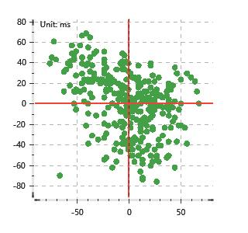
Data Info
 | Recording | 记录003
 | Subject | 趙文莉
 | Create Time | 2024-07-04 15:46:05.636
 | Data Name | Chest1 ECG
 | Data Type | ECG
 | Sample Rate | 512
 | Segment | 前静息态
 | Start Time | 0:01:08
 | End Time | 0:06:08
 | Duration | 0:05:00

Replay Chart
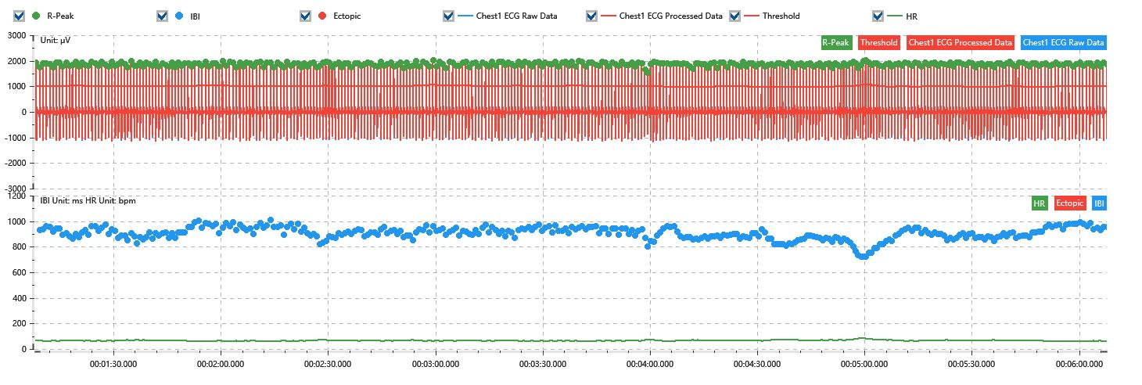

Process parameters
 | Filters
 | Wavlet filter | Enabled | 中
 | Amplitude normalization | Disabled | 中
 | High Pass filter | Enabled | 1μV
 | Band Stop filter | Enabled | 50μV
 | Low Pass filter | Enabled | 100μV
 | Interbeat Interval
 | R-Peak extraction | Maximum heart rate | 120bpm
 | R-Peak extraction | Threshold | 70%
 | Extopic detection | Percent | Disabled | 20%
 | Extopic detection | Median | Enabled | 4(samples)
 | Extopic correction | 中值 | 5(samples)

Time Domain
 | MeanIBI | MeanHR | SDNN | SDANN | RMSSD | SDSD | PNN50 | PNN20 | Data Length
 | 901.96ms | 67bpm | 49.3ms | 0ms | 30.07ms | 30.11ms | 10.57% | 53.78% | 332

Frequency Domain
 | Band | Range | Power | Power Percent | Power Normalized | Peak | Data Length
 | ULF | 0 - 0.0033Hz | 114.24ms² | 5.96% | 0 | 0Hz | 4
 | VLF | 0.0033 - 0.04Hz | 1055.55ms² | 55.03% | 0 | 0Hz | 37
 | LF | 0.04 - 0.15Hz | 575.61ms² | 30.01% | 0.77 | 0.04Hz | 113
 | HF | 0.15 - 0.4Hz | 172.73ms² | 9.01% | 0.23 | 0.39Hz | 256

 | Total Power | 1918.13ms² | LF/HF | 3.33 | VLF/ULF | 0.11
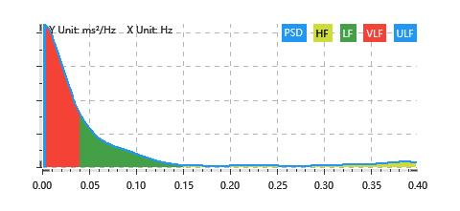

Nonlinear
 | Poincare | SD1 | 21.29ms | SD2 | 66.39ms
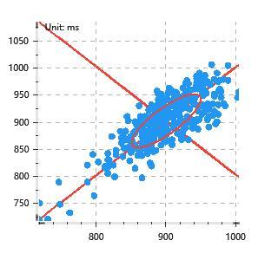

 | Scatter | A++ | 66 | B-- | 39

